Photo
Item Number | Part Name |  |  | 53 | 71(74) | 83(86) | 96
1 | 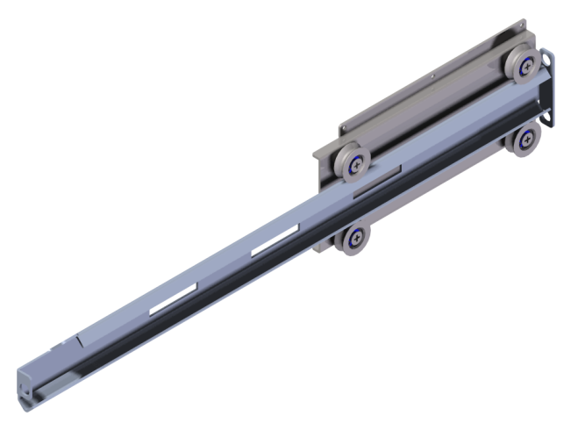 Cabinet Rail AS - Left |  | V- WHEEL SET BEARING SET RAIL BAR RAIL BASE - SIDE | ○ | ○ | ○ | ○
2 | 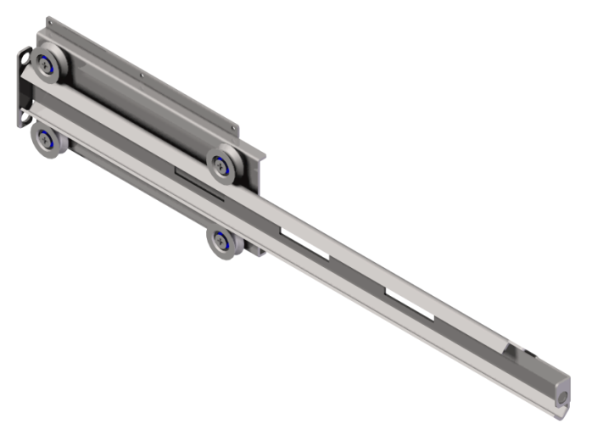 Cabinet Rail AS - Right |  | V-WHEEL SET BEARING SET RAIL BAR RAIL BASE -SIDE | ○ | ○ | ○ | ○
3 | 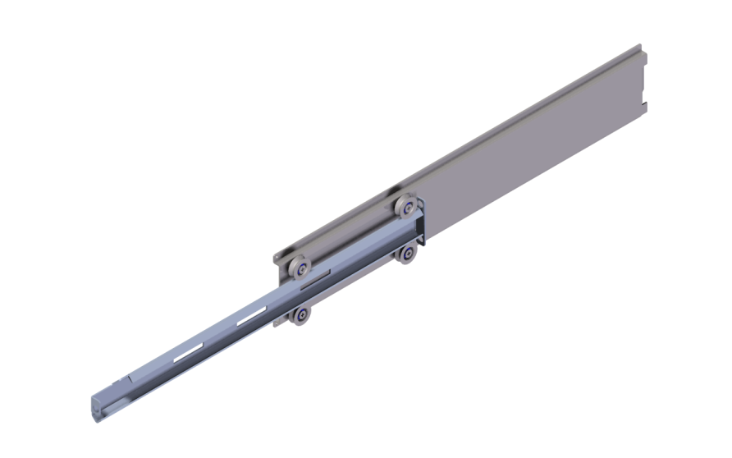 Crossbar Rail AS - Left |  | V-WHEEL SET BEARING SET RAIL BAR RAIL BASE - CROSS |  | ○ | ○ | ○
4 | 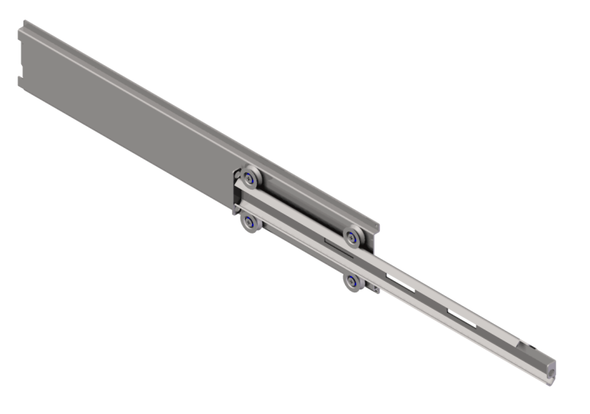 Crossbar Rail AS - Right |  | V-WHEEL SET BEARING SET RAIL BAR RAIL BASE - CROSS |  | ○ | ○ | ○
5 | 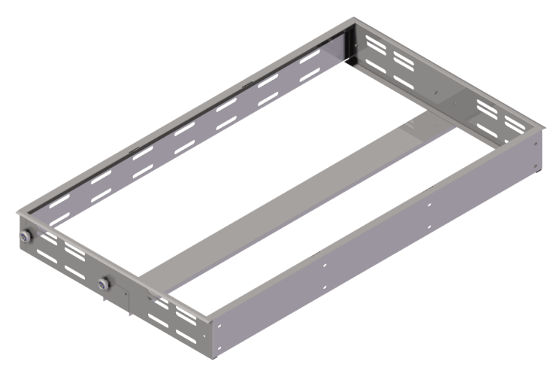 Tray Frame AS - Big | STS445NF | D-WHEEL SET BEARING SET FRAME SET - BIG | ○ |  | ○ | ○ | 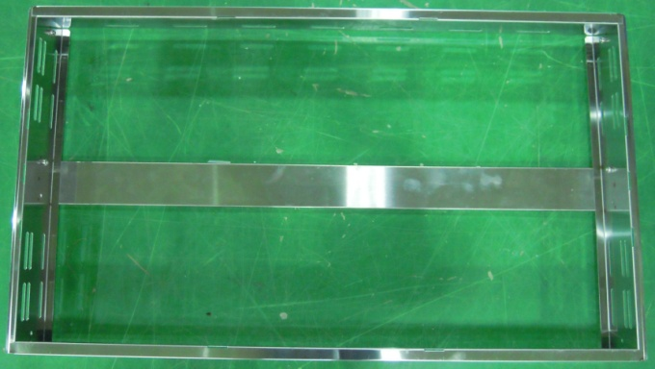
6 | 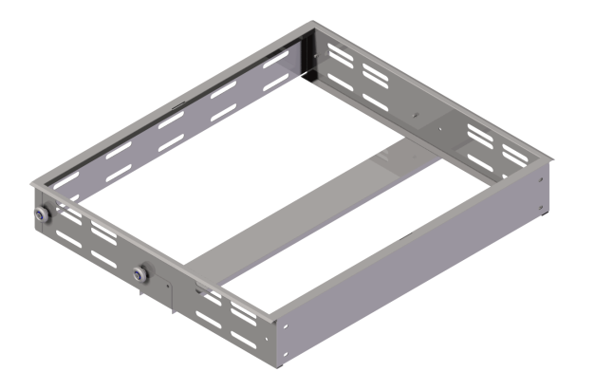 Tray Frame AS - Small | STS445NF | D-WHEEL SET BEARING SET FRAME SET - SMALL |  | ○ | ○ |  |  | 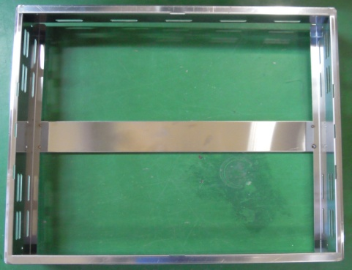
7 9 | 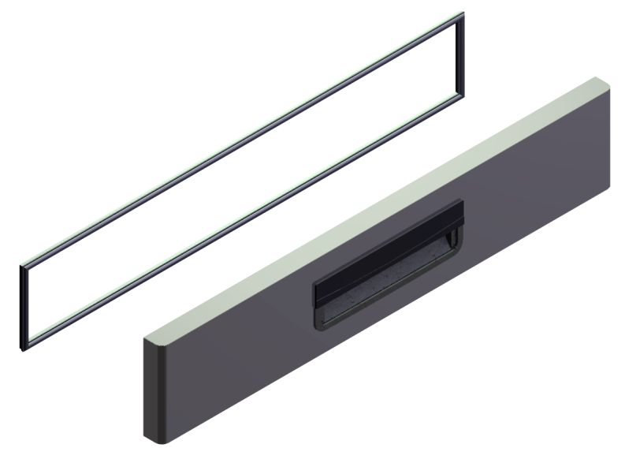 DOOR ASSEMBLY - BIG DOOR GASKET |  |  | ○ |  | ○ | ○
8 9 | 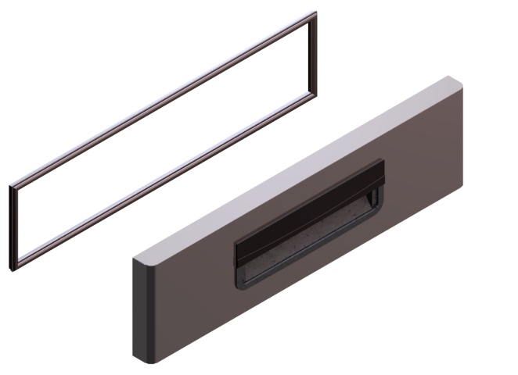 DOOR ASSEMBLY - Small DOOR GASKET |  |  |  | ○ | ○
10 11 | 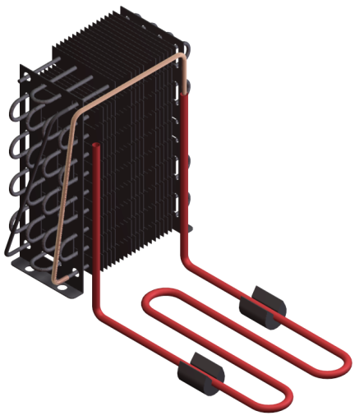 Condenser Kit | 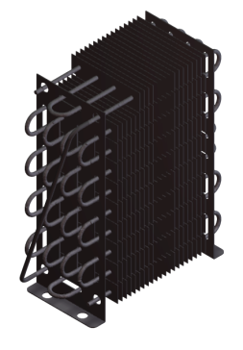 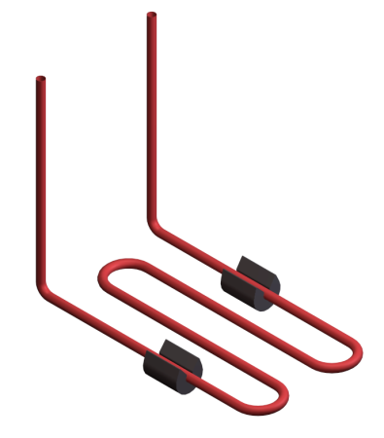 |  | ○ | ○ | ○ | ○
12 | 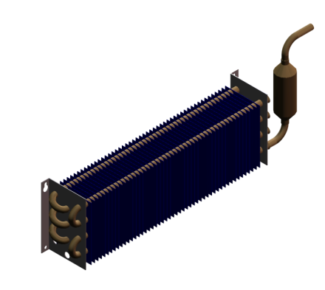 EVAPORATOR Assembly | 4S*3R, 3/8" CU, 342mm | F0119L010 | ○ | ○
13 | 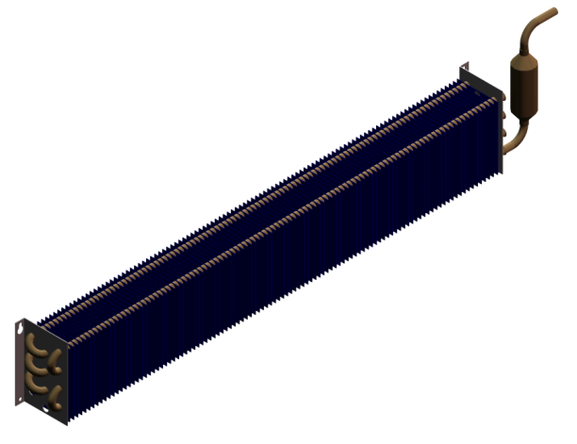 EVAPORATOR Assembly | 4S*3R, 3/8" CU, 700mm | F0119L020 |  |  | ○ | ○
14 | DRYER | XH-9,18g | F0116C020 | ○ | ○ | ○ | ○
15 | 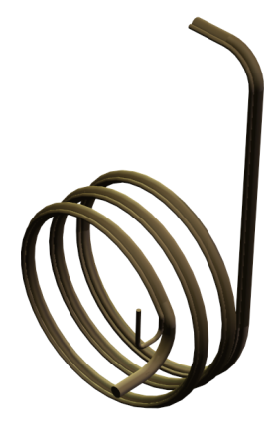 CAPILLARY & SUCTION PIPE ASSY | id01.2 x L1650 & 7.94 | F0147L010 | ○ | ○ | ○ | ○
16 | 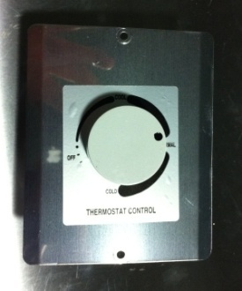 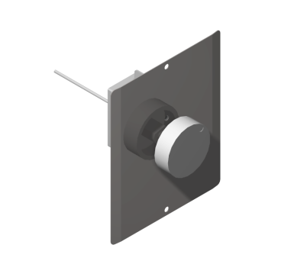 REF-Thermostat Kit |  | FA100K110 | ○ | ○ | ○ | ○
17 | COMPRESSOR | SD162H-L1U , 53, 71(74) | F0140A080 | ○ | ○
18 | COMPRESSOR | SK1A1Q-L2U , 83(86), 96 | F0140C100 |  |  | ○ | ○
19 | HARNESS MAIN. | AWM1015 | F0129P010 | ○ | ○ | ○ | ○
20 | 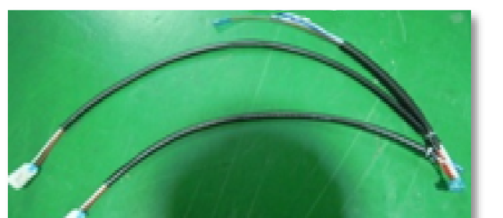 HARNESS COMP. | AWM1015(SK162H-L1U2) | F0129C082 | ○ | ○
21 | 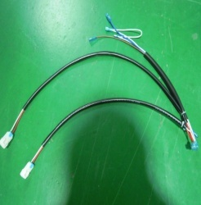 HARNESS COMP. | AWM1015(SK1A1Q-L2U) | F0140C100 |  |  | ○ | ○
22 | MAIN POWER CORD |  | F0111C010 | ○ | ○ | ○ | ○
23 | 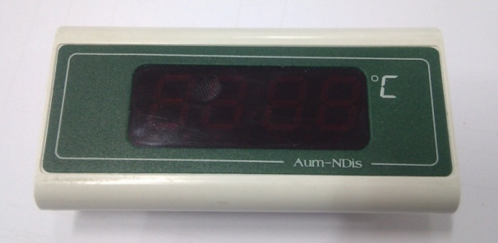 INDICATOR | DISPLAY ONLY (-50 ~ 100℃) | F0162Q020 | ○ | ○ | ○ | ○
24 | Condenser Fan Motor Kit | 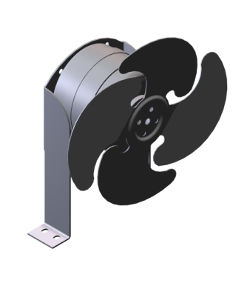 220V/6W/CW | FA100K150 | ○ | ○ | ○ | ○
25 | Evaporator Fan Motor Kit | 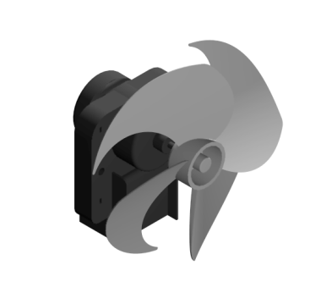 220~230V, 50~60Hz/3W | FA100K100 | ○ | ○ | ○ | ○
26 | 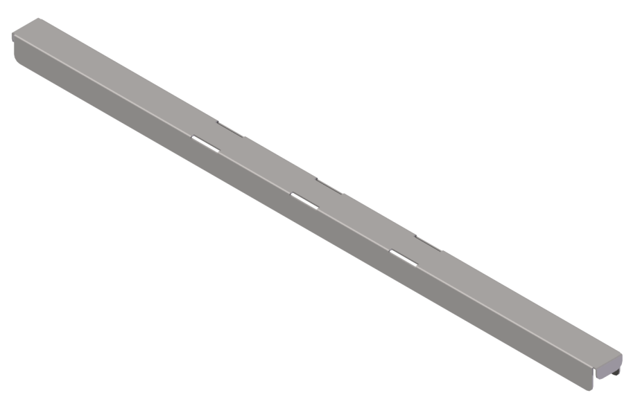 SUPPORTER PAN(A) |  |  | ○ | ○ | ○ | ○
27 | SUPPORTER PAN(B) |  |  | ○ | ○ | ○ | ○
28 | 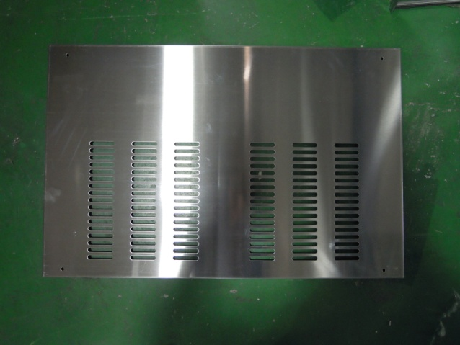 SIDE COVER | 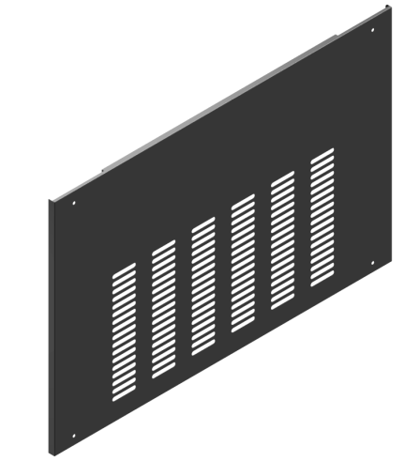 | F0148L030 | ○ | ○ | ○ | ○
29 | Front cover - MC | 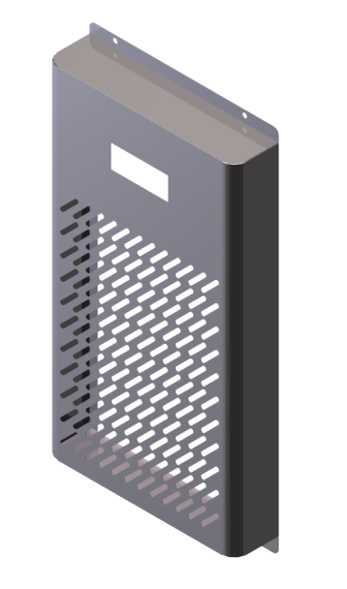 | F0148L040 | ○ | ○ | ○ | ○
30 | Rear Cover - MC | 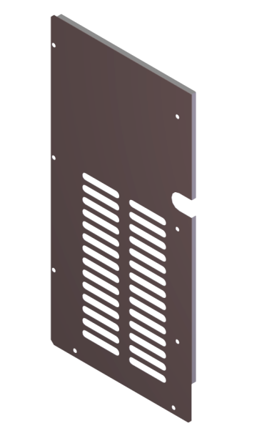 GI | F0148L060 | ○ | ○ | ○ | ○
31 | 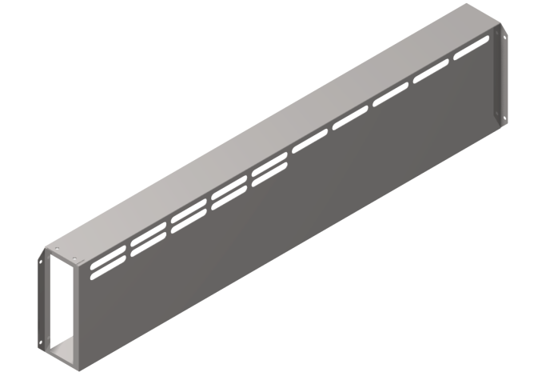 EVAP. FAN GUARD - SMALL |  | F0117L020 | ○ | ○ | ○ | ○
32 | 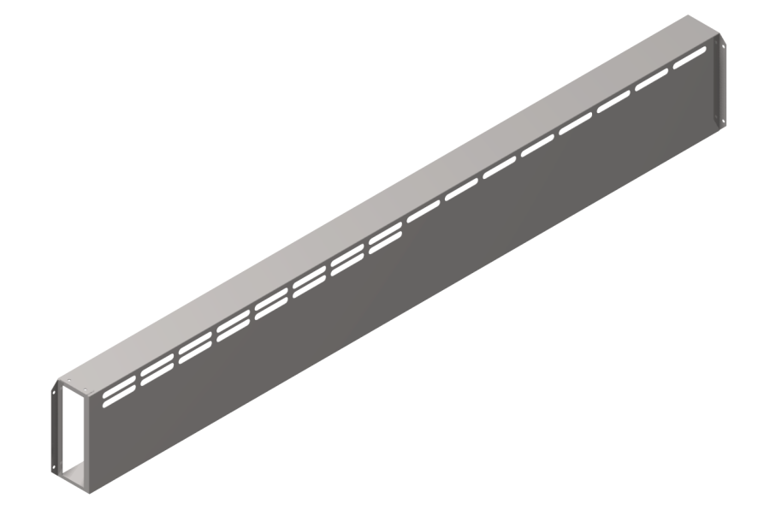 EVAP. FAN GUARD - BIG F0117L040 |  | Stainless steel |  |  | ○ | ○
33 | 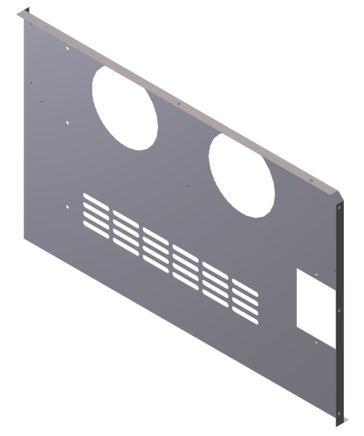 EVAP. DUCT (2F) | STS445NF 53, 71(74) | F0117L010 | ○ | ○
34 | 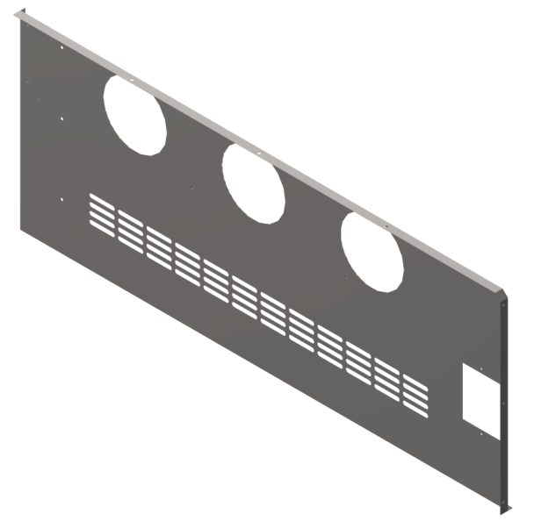 EVAP. DUCT (3F) | STS445NF 83(86), 96 | F0117L030 | ○ | ○ | ○ | ○
35 | CASTER SET - 4" | Brake caster 1EA, Caster 1EA | FA100K170 | ○ | ○ | ○ | ○

 |  |  |  | 53 |  |  | 96

